finalReport
Ashley Furniture – Product Data Extraction
Candidate: Suraj K S
Technology: Python, Selenium, Pandas, Excel
Total SKUs: 198
Status: Work in Progress

1. Project Objective
The objective is to collect product information for 198 Ashley Furniture SKUs and update the provided Excel file.
Required information includes SKU, product URL, image, description, color, price, series name, UPC, dimensions, and other available details.

2. Approach
I first analyzed the Excel file and verified all 198 SKUs.
Initially, I tried using Python requests to access the Ashley product pages, but the website returned HTTP 406 with no useful content.
Therefore, I changed the approach to Selenium browser automation.
The workflow is:
Excel → SKU → Ashley Search → Product URL → Product Page → Data Extraction → Excel

3. Work Completed
The Selenium automation was successfully tested for:
Reading SKUs from Excel
Opening Ashley Furniture
Handling location and cookie popups
Searching for an SKU
Finding the product URL
Opening the product page
Validating the SKU
Extracting basic product information
Saving results to Excel
Example:
Excel SKU: A4000462
Website SKU: A4000462

4. Current Issue
During product-page navigation, Ashley Furniture sometimes displays a human-verification message:
"Press & Hold to confirm you are a human."
This interrupts the automation and prevents reliable continuous processing of all 198 SKUs.
I have not attempted to bypass this verification.

5. Data Handling
If a required field is not available on the website, I will record it as N/A instead of guessing.
The extracted data will also be validated using the SKU to ensure the information belongs to the correct product.

6. Current Status
Task | Status
Excel analysis | Completed
198 SKU verification | Completed
Selenium setup | Completed
SKU search | Completed
Product URL identification | Completed
SKU validation | Completed
Basic extraction | Completed
All 198 SKUs | In Progress
Final Excel | In Progress

screenshot 1- Data Extraction
Selenium successfully searched the SKU and extracted product information.
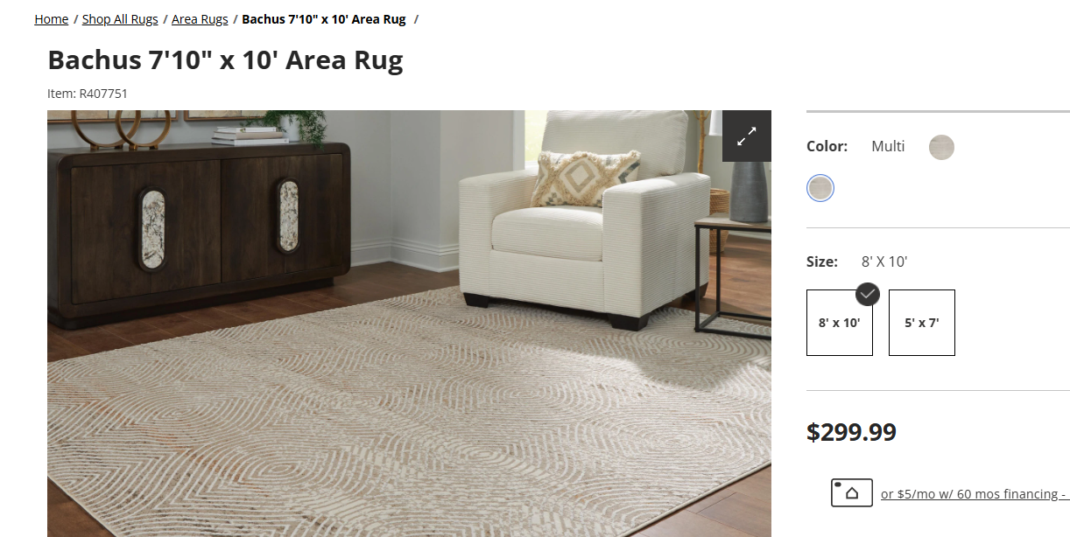

Screenshot 2 – Human Verification
Ashley Furniture displayed the human-verification popup during automation.
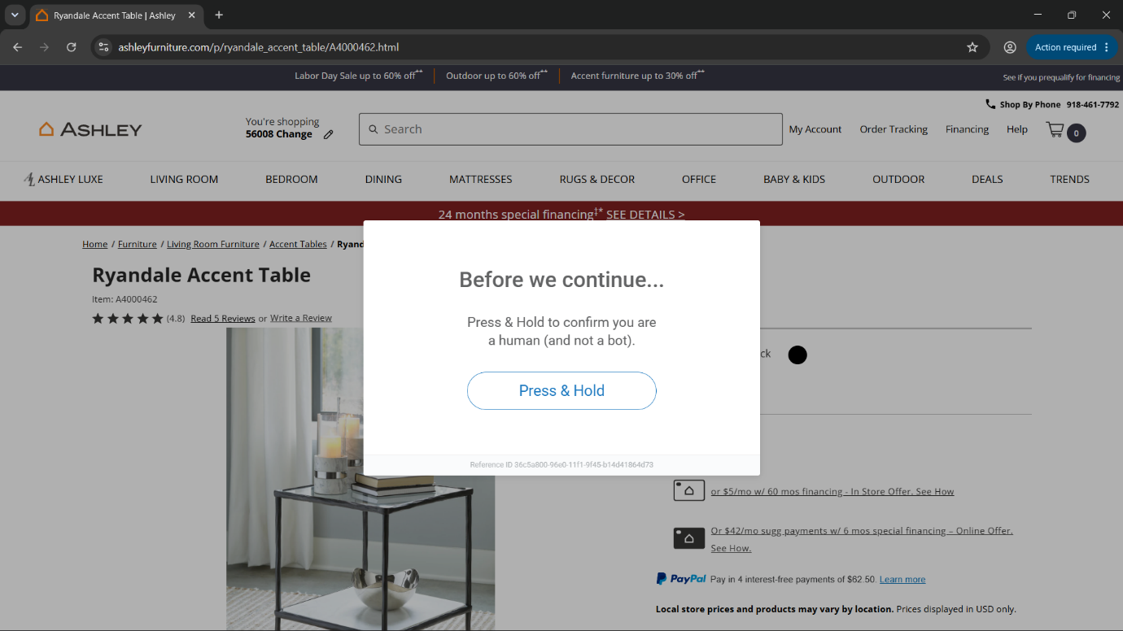

Screenshot 3 – VS Code Structure
Project structure containing the Python Selenium and Excel-processing files.
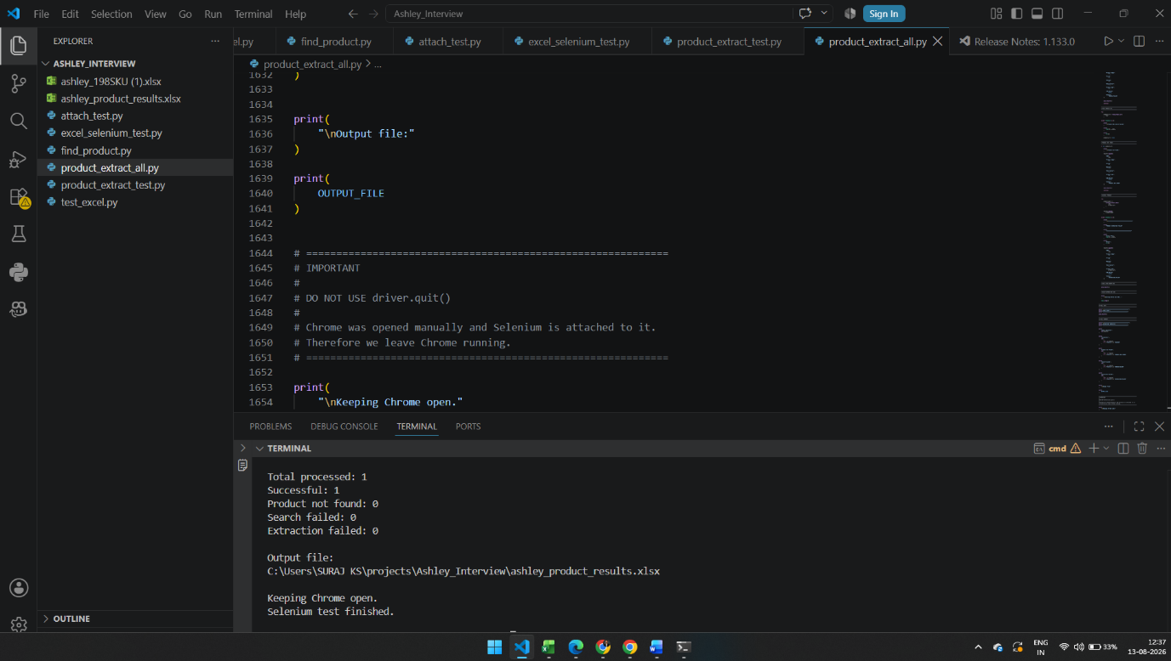

8. GitHub
Source code:
https://github.com/surajks25/Ashley-Furniture---Technical-Data-Research-Assignment-

9. Next Steps
Continue processing the remaining SKUs.
Extract all required fields.
Handle missing values as N/A.
Complete data cleaning and validation.
Generate the final Excel output.

10. Conclusion
The main data extraction process is working well. The only issue is Ashley Furniture’s occasional human-verification check, which is currently blocking all 198 SKUs.

